C1
C1: Revenue by Product Category

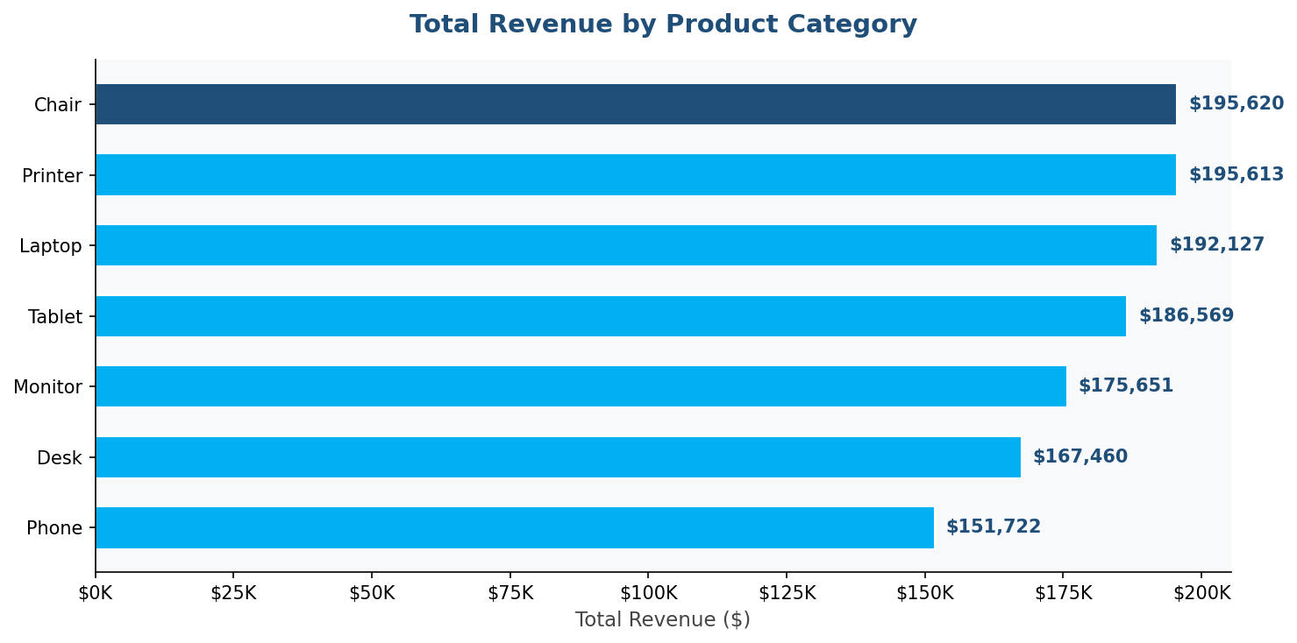

BUSINESS INSIGHT
→ Laptop has the highest average order value ($1,110) though Chair leads in total order count. Monitor and Printer have the widest revenue ranges due to high unit price variance.

DATA TABLE: Product Revenue Summary
Product | Orders | Revenue | Avg
Chair | 178 | 195620.11 | 1098.99
Printer | 181 | 195612.61 | 1080.73
Laptop | 173 | 192126.56 | 1110.56
Tablet | 179 | 186568.95 | 1042.28
Monitor | 163 | 175651.41 | 1077.62
Desk | 170 | 167459.93 | 985.06
Phone | 156 | 151722.39 | 972.58

C2
C2: Order Status Distribution

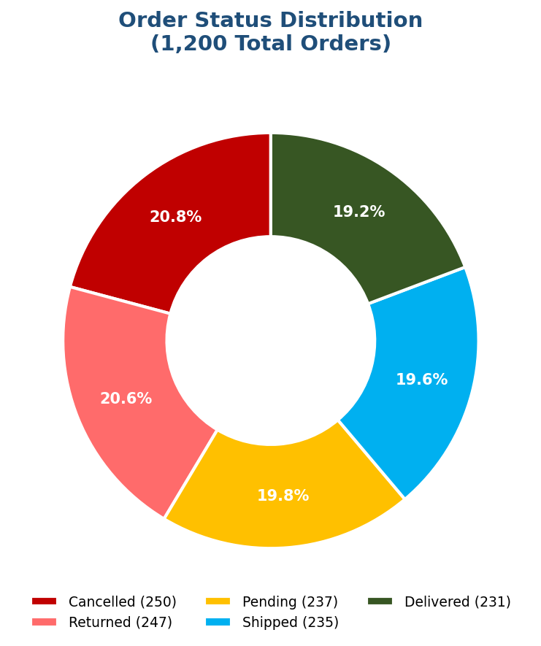

BUSINESS INSIGHT
→ 41.4% of all orders are Cancelled (20.8%) or Returned (20.6%). Only 19.3% are Delivered — this is the most critical business problem. Investigate root causes urgently.

DATA TABLE: Order Status Count & %
OrderStatus | Count | Pct
Cancelled | 250 | 20.8
Returned | 247 | 20.6
Pending | 237 | 19.8
Shipped | 235 | 19.6
Delivered | 231 | 19.2

C3
C3: Monthly Revenue Trend 2023–2025

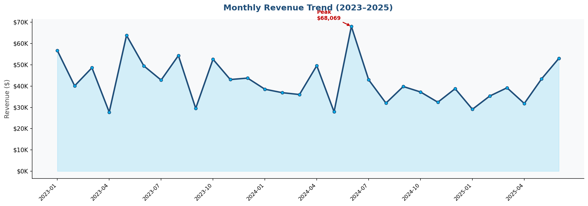

BUSINESS INSIGHT
→ Revenue peaked in June 2024 at $68,069 and hit a low of $27,752 in April 2023. No consistent growth trend is visible — the business needs a growth strategy.

DATA TABLE: Monthly Revenue Data
Date | Orders | Revenue
2023-01 | 47 | 56685.75
2023-02 | 37 | 40117.66
2023-03 | 43 | 48609.37
2023-04 | 31 | 27751.71
2023-05 | 49 | 63836.84
2023-06 | 45 | 49500.19
2023-07 | 44 | 42820.66
2023-08 | 51 | 54352.14
2023-09 | 29 | 29526.67
2023-10 | 47 | 52607.85
2023-11 | 41 | 43079.67
2023-12 | 46 | 43754.73
2024-01 | 32 | 38528.08
2024-02 | 32 | 36909.57
2024-03 | 36 | 36030.9
2024-04 | 50 | 49613.14
2024-05 | 34 | 27909.11
2024-06 | 53 | 68068.54
2024-07 | 43 | 42963.98
2024-08 | 28 | 31991.07
2024-09 | 44 | 39794.98
2024-10 | 31 | 37226.97
2024-11 | 35 | 32413.76
2024-12 | 41 | 38785.77
2025-01 | 27 | 29099.4
2025-02 | 37 | 35317.55
2025-03 | 49 | 39200.66
2025-04 | 32 | 31821.2
2025-05 | 37 | 43396.64
2025-06 | 49 | 53047.4

C4
C4: Revenue by Marketing Channel

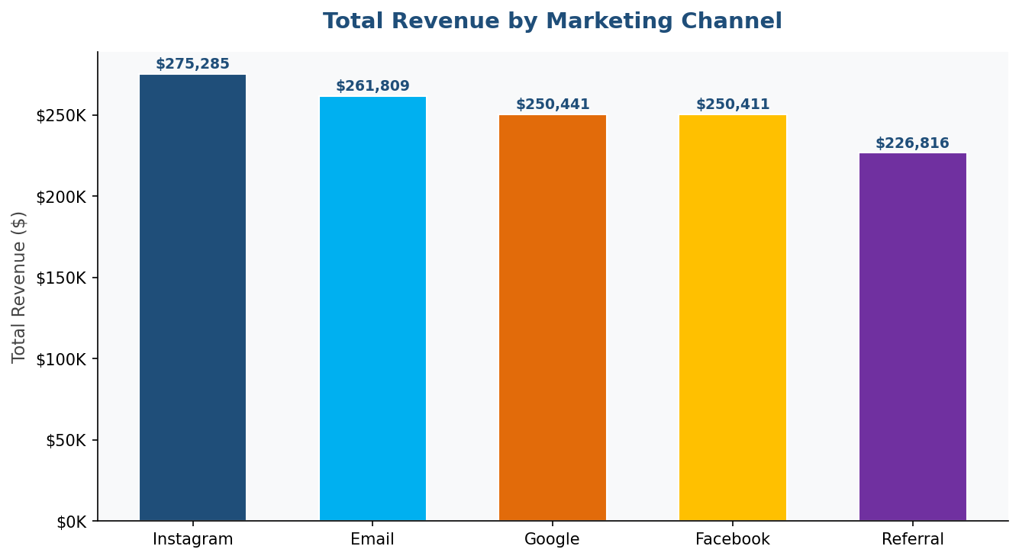

BUSINESS INSIGHT
→ Instagram leads with $275,285 revenue (259 orders). Referral channel underperforms at $226,816 despite 222 orders. Double down on Instagram ad spend for maximum ROI.

DATA TABLE: Channel Revenue Summary
ReferralSource | Orders | Revenue | Avg
Instagram | 259 | 275285.45 | 1062.88
Email | 250 | 261808.55 | 1047.23
Google | 241 | 250441.48 | 1039.18
Facebook | 228 | 250410.9 | 1098.29
Referral | 222 | 226815.58 | 1021.69

C5
C5: Avg Order Value by Payment Method

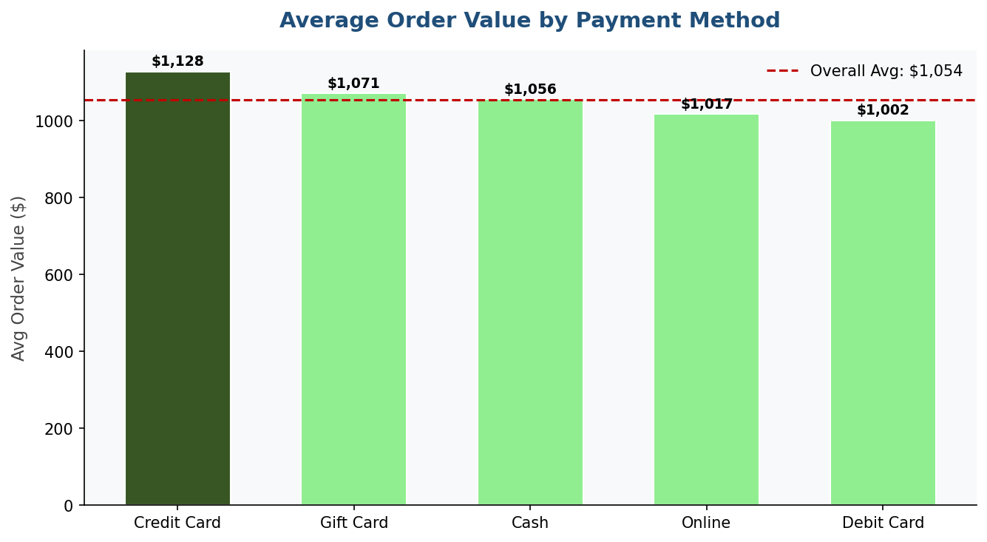

BUSINESS INSIGHT
→ Credit Card users spend the most per order ($1,128 avg) vs Cash ($979 avg). Offer Credit Card rewards or cashback to shift customers toward this high-value method.

DATA TABLE: Payment Method Avg Order
PaymentMethod | Orders | AvgOrder
Credit Card | 234 | 1127.55
Gift Card | 230 | 1070.97
Cash | 246 | 1056.04
Online | 258 | 1017.22
Debit Card | 232 | 1001.56

C6
C6: Order Value Distribution (Histogram)

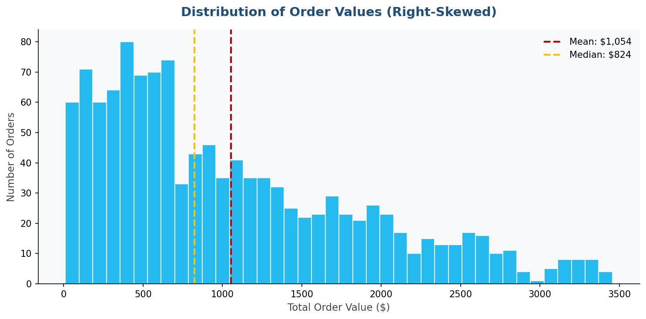

BUSINESS INSIGHT
→ The distribution is RIGHT-SKEWED (skew=0.891). Mean ($1,054) is pulled higher by large orders. Median ($823) is the better measure of a "typical" order. Most orders fall in the $200–$1,000 range.

DATA TABLE: TotalPrice Statistics
Metric | Value
Mean | 1053.97
Median | 823.62
Std Dev | 819.86
Min | 11.39
Max | 3456.4
Skewness | 0.89

C7
C7: Orders & Revenue by Quantity

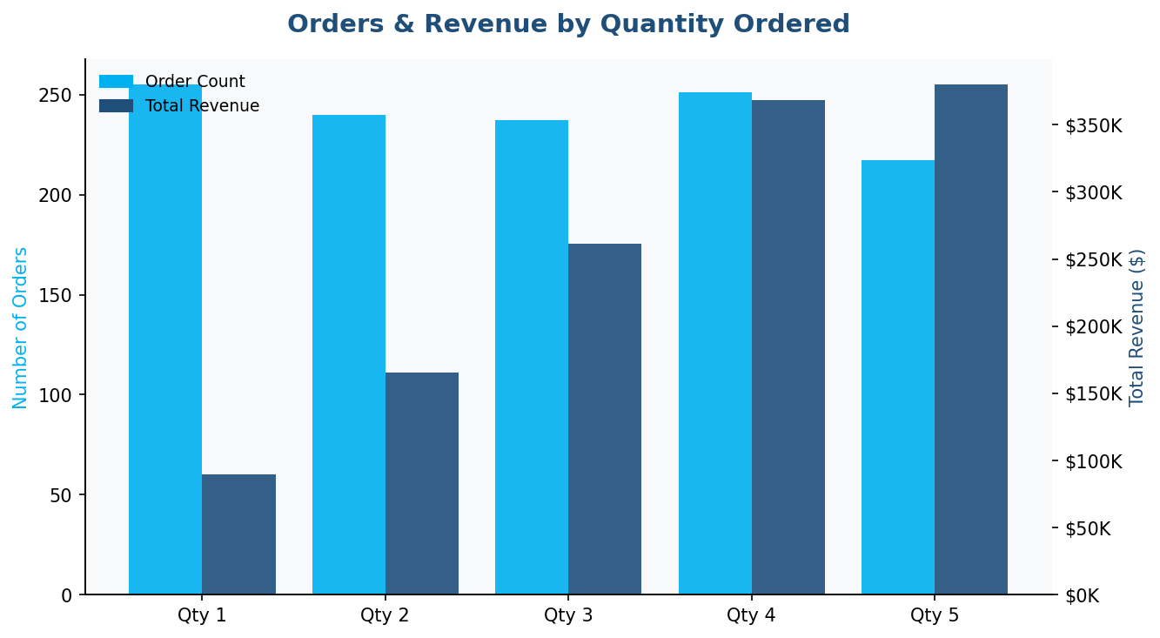

BUSINESS INSIGHT
→ Qty=5 orders generate avg $1,751 — 5× more than Qty=1 ($352 avg). Introduce "Buy More, Save More" bundle promotions targeting Qty=2/3 customers to push them to Qty=4/5.

DATA TABLE: Revenue by Quantity
Quantity | Orders | Revenue | Avg
1 | 255 | 89728.29 | 351.88
2 | 240 | 165729.68 | 690.54
3 | 237 | 261276.18 | 1102.43
4 | 251 | 368090.96 | 1466.5
5 | 217 | 379936.85 | 1750.86

C8
C8: Coupon Code Performance

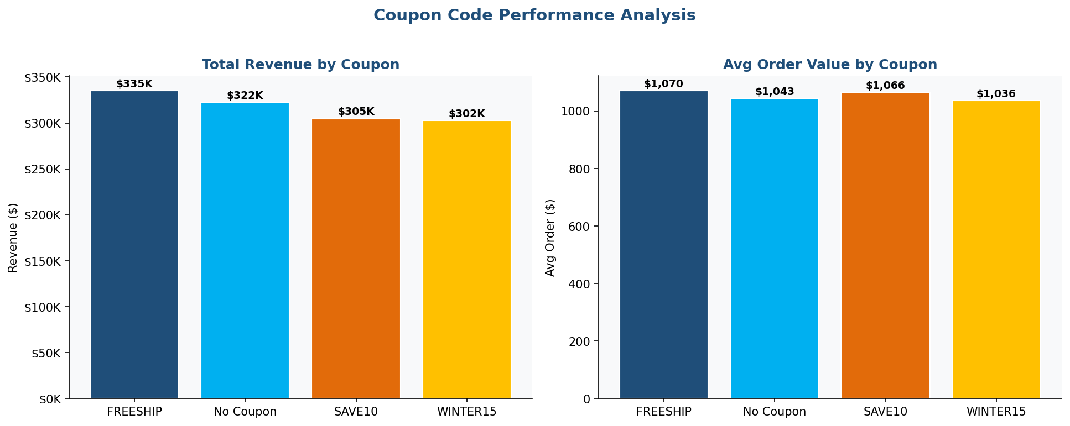

BUSINESS INSIGHT
→ FREESHIP drives the most total revenue ($335,037 from 313 orders). No Coupon orders ($322,401) outperform SAVE10 — price-sensitive customers convert without discounts.

DATA TABLE: Coupon Performance Summary
CouponCode | Orders | Revenue | Avg
FREESHIP | 313 | 335036.99 | 1070.41
No Coupon | 309 | 322401.41 | 1043.37
SAVE10 | 286 | 304840.02 | 1065.87
WINTER15 | 292 | 302483.54 | 1035.9

C9
C9: Correlation Heatmap

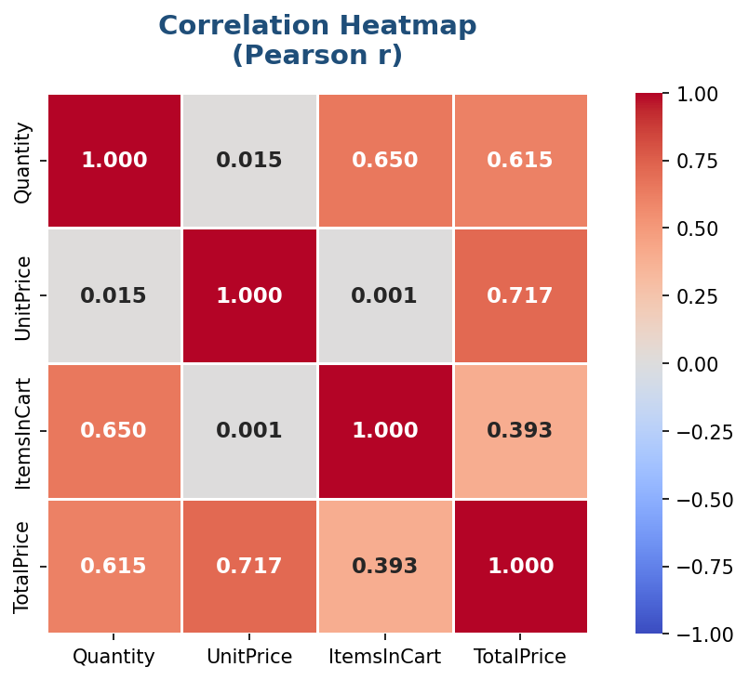

BUSINESS INSIGHT
→ UnitPrice↔TotalPrice: r=0.717 (STRONG) — price is the #1 revenue driver. Quantity↔TotalPrice: r=0.615 (STRONG) — bulk ordering is the #2 driver. UnitPrice↔Quantity: r=0.015 (NEGLIGIBLE) — price does not affect how many units are ordered.

DATA TABLE: Pearson Correlation Matrix
Variable | Quantity | UnitPrice | ItemsInCart | TotalPrice
Quantity | 1 | 0.01 | 0.65 | 0.61
UnitPrice | 0.01 | 1 | 0 | 0.72
ItemsInCart | 0.65 | 0 | 1 | 0.39
TotalPrice | 0.61 | 0.72 | 0.39 | 1

C10
C10: Order Status by Product Category

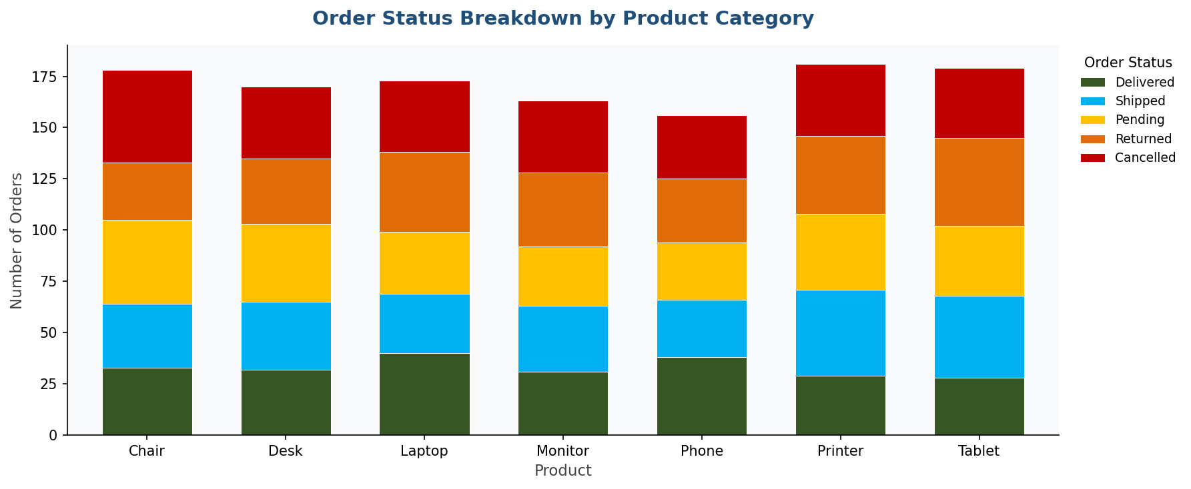

BUSINESS INSIGHT
→ Cancellation and return rates are evenly spread across all 7 product categories (~41% each). No single product is driving the loss rate — the issue is systemic, not product-specific.

DATA TABLE: Product × Status Crosstab
Product | Cancelled | Delivered | Pending | Returned | Shipped
Chair | 45 | 33 | 41 | 28 | 31
Desk | 35 | 32 | 38 | 32 | 33
Laptop | 35 | 40 | 30 | 39 | 29
Monitor | 35 | 31 | 29 | 36 | 32
Phone | 31 | 38 | 28 | 31 | 28
Printer | 35 | 29 | 37 | 38 | 42
Tablet | 34 | 28 | 34 | 43 | 40

